Accrual Adjustment Template
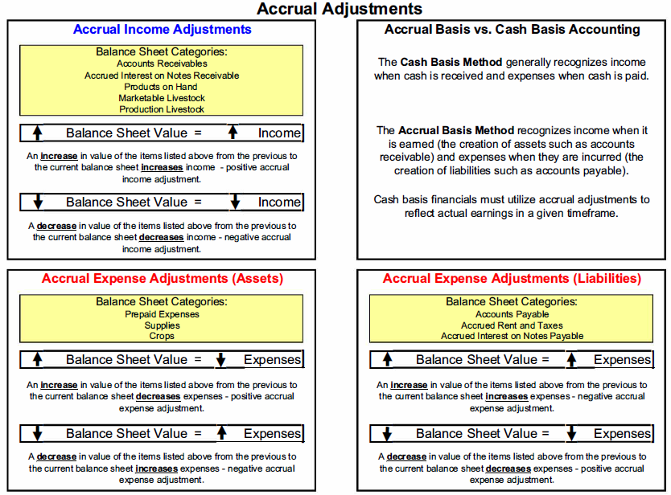
INSTRUCTIONS: Fill in the shaded cells with your beginning and ending balance sheet values to calculate accrual adjustments.
Accural Adjustment Cheat Sheet

 |  |  |  | Adjustment
ACCRUAL INCOME ADJUSTMENTS |  | Year Beginning Balance | Year Ending Balance
 | Accounts Receivable |  |  | 0
 | Accured Interest on Notes Receivable |  |  | 0
 | Products on Hand |  |  | 0
 | Marketable Livestock |  |  | 0
 | Production Livestock |  |  | 0
 | Total Accrual Income Adjustment |  |  | 0

ACCRUAL EXPENSE ADJ. (ASSETS) |  | Year Beginning Balance | Year Ending Balance
 | Prepaid Expenses |  |  | 0
 | Supplies |  |  | 0
 | Crops |  |  | 0
 | Total Accrual Expense Adj. Assets |  |  | 0

ACCRUAL EXPENSE ADJ. (LIABILITIES) |  | Year Beginning Balance | Year Ending Balance
 | Accounts Payable |  |  | 0
 | Accrued Rent and Taxes |  |  | 0
 | Accrued Interest on Notes Payable |  |  | 0
* Positive number represents an increase in income (positive accrual income adjustement. Negative number represents a decrease.
TOTAL ACCRUAL INCOME ADJUSTMENT |  | 0

* Positive number represents an increase in expenses . Negative number represents a decrease in expenses (positive accrual expense adjustment).
TOTAL ACCRUAL EXPENSE ADJUSTEMENT |  | 0

